Sheet1
5 Bars Mechanism Inverse Kinematics
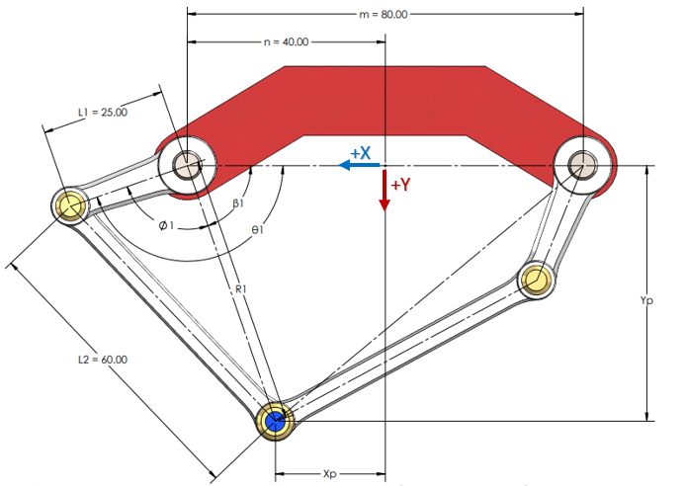

Inputs |  | Constants |  |  |  | Variables |  |  |  |  |  | Outputs
Xp | Yp | m | n | L1 | L2 | R1 | R2 | Ø1 | Ø2 | β1 | β2 | θ1 | θ2
4.19 | 7.83 | 120 | 60 | 120 | 140 |  | 64.665794668 | #VALUE! | 93.76217998 | #VALUE! | #VALUE! | #VALUE! | #VALUE!

